Cost
 |  |  |  | Cost reduction |  |  |  |  | scenarios_reduction_energy
Technology | Cost | reg_diff_technology | Initial year | very_low | low | medium | high | very_high | SSP1 | SSP2 | SSP3 | SSP4 | SSP5 | LED
dac_lt | 1130 | igcc_ccs | 2025 | 0.1 | 0.3 | 0.5 | 0.7 | 0.9 | low | medium | medium | high | high | low
dac_ht | 1230 | igcc_ccs | 2025 | 0.1 | 0.3 | 0.5 | 0.7 | 0.9 | low | medium | medium | high | high | low

 |  |  | 2025 | 2030 | 2035 | 2040 | 2045 | 2050 | 2055 | 2060 | 2070 | 2080 | 2090 | 2100 | 2110
 |  | Cost | 4400 | 3608 | 3080 | 2552 | 2200 | 1892 | 1716 | 1540 | 1408 | 1364 | 1364 | 1300 | 1300
 |  | Indexed | 1.00 | 0.82 | 0.70 | 0.58 | 0.50 | 0.43 | 0.39 | 0.35 | 0.32 | 0.31 | 0.31 | 0.30 | 0.30
 |  | Reduction of max | 0.00 | 0.26 | 0.43 | 0.60 | 0.71 | 0.81 | 0.87 | 0.93 | 0.97 | 0.99 | 0.99 | 1.00 | 1.00

 | Reduction |  | 2025 | 2030 | 2035 | 2040 | 2045 | 2050 | 2055 | 2060 | 2070 | 2080 | 2090 | 2100 | 2110
 | 0.1 | very_low | 1 | 0.97 | 0.96 | 0.94 | 0.93 | 0.92 | 0.91 | 0.91 | 0.9 | 0.9 | 0.9 | 0.9 | 0.9
SSP1 | 0.3 | low | 1 | 0.92 | 0.87 | 0.82 | 0.79 | 0.76 | 0.74 | 0.72 | 0.71 | 0.7 | 0.7 | 0.7 | 0.7
SSP2, SSP3 | 0.5 | medium | 1.00 | 0.87 | 0.79 | 0.70 | 0.64 | 0.59 | 0.56 | 0.54 | 0.51 | 0.51 | 0.51 | 0.50 | 0.50
SSP4, SSP5 | 0.7 | high | 1.00 | 0.82 | 0.70 | 0.58 | 0.50 | 0.43 | 0.39 | 0.35 | 0.32 | 0.31 | 0.31 | 0.30 | 0.30
 | 0.9 | veri_high | 1 | 0.77 | 0.61 | 0.46 | 0.36 | 0.27 | 0.22 | 0.16 | 0.13 | 0.11 | 0.11 | 0.1 | 0.1

Energy
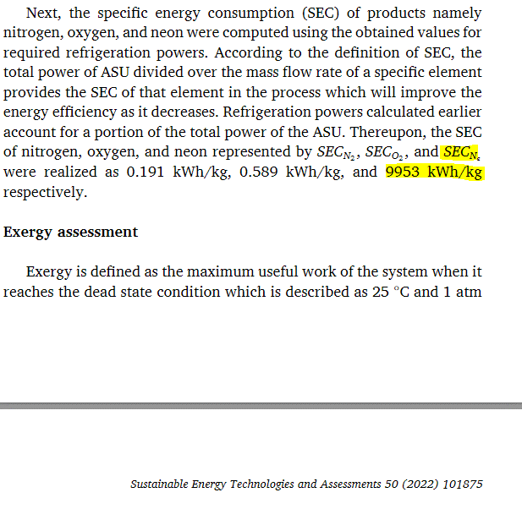
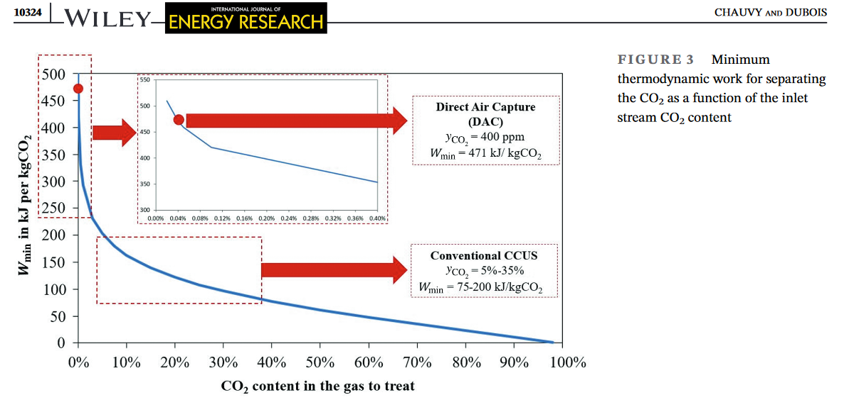
 |  |  |  | Cost reduction |  |  |  |  | scenarios_reduction_energy
Technology | Cost | reg_diff_technology | Initial year | very_low | low | medium | high | very_high | SSP1 | SSP2 | SSP3 | SSP4 | SSP5 | LED
dac_lt | 1130 | igcc_ccs | 2025 | 0.1 | 0.3 | 0.5 | 0.7 | 0.9 | low | medium | medium | high | high | low
dac_ht | 1230 | igcc_ccs | 2025 | 0.1 | 0.3 | 0.5 | 0.7 | 0.9 | low | medium | medium | high | high | low

 |  |  | 2025 | 2030 | 2035 | 2040 | 2045 | 2050 | 2055 | 2060 | 2070 | 2080 | 2090 | 2100 | 2110
 |  | Cost | 4400 | 3608 | 3080 | 2552 | 2200 | 1892 | 1716 | 1540 | 1408 | 1364 | 1364 | 1300 | 1300
 |  | Indexed | 1.00 | 0.82 | 0.70 | 0.58 | 0.50 | 0.43 | 0.39 | 0.35 | 0.32 | 0.31 | 0.31 | 0.30 | 0.30
 |  | Reduction of max | 0.00 | 0.26 | 0.43 | 0.60 | 0.71 | 0.81 | 0.87 | 0.93 | 0.97 | 0.99 | 0.99 | 1.00 | 1.00

 | Reduction |  | 2025 | 2030 | 2035 | 2040 | 2045 | 2050 | 2055 | 2060 | 2070 | 2080 | 2090 | 2100 | 2110
 | 0.1 | very_low | 1.00 | 0.97 | 0.96 | 0.94 | 0.93 | 0.92 | 0.91 | 0.91 | 0.90 | 0.90 | 0.90 | 0.90 | 0.90
SSP1 | 0.3 | low | 1.00 | 0.92 | 0.87 | 0.82 | 0.79 | 0.76 | 0.74 | 0.72 | 0.71 | 0.70 | 0.70 | 0.70 | 0.70
SSP2, SSP3 | 0.5 | medium | 1.00 | 0.87 | 0.79 | 0.70 | 0.64 | 0.59 | 0.56 | 0.54 | 0.51 | 0.51 | 0.51 | 0.50 | 0.50
SSP4, SSP5 | 0.7 | high | 1.00 | 0.82 | 0.70 | 0.58 | 0.50 | 0.43 | 0.39 | 0.35 | 0.32 | 0.31 | 0.31 | 0.30 | 0.30
 | 0.9 | veri_high | 1.00 | 0.77 | 0.61 | 0.46 | 0.36 | 0.27 | 0.22 | 0.16 | 0.13 | 0.11 | 0.11 | 0.10 | 0.10

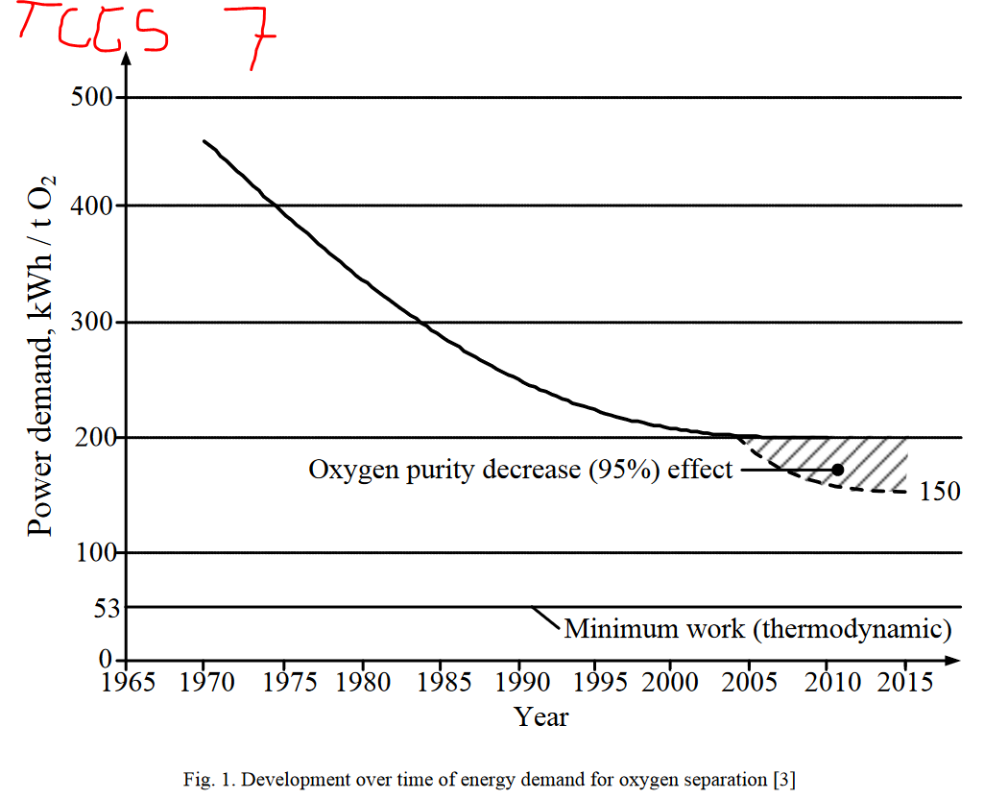

W_min : | 471 | kJ/kgCO2
 | 131 | kWh/tCO2 | 2386.9209809
W_intial: | 2200 | kWh/tCO2 |  | Gwa/Mt
W_reducible: | 2069 | kWh/tCO2

W_min_practical: | 494 | kWh/tCO2
fraction_red_practical: | 0.78
rounded_fraction_red_practical: | 0.8

